COMPARISION
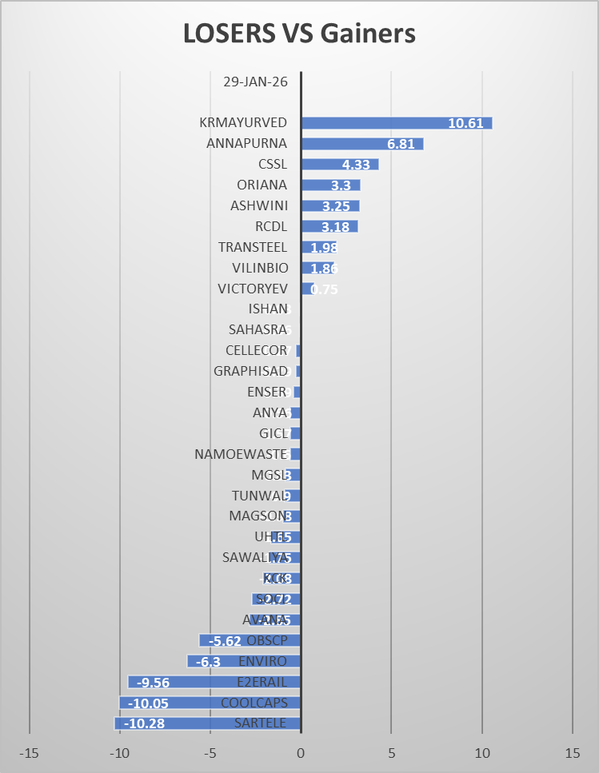
SYMBOL | SECURITY | NET_TRDQTY | AVERAGE | SYMBOL | SECURITY | NET_TRDQTY | AVERAGE | DIFFRENCE AVERAGE |  |  | TOP LOSERS |  | TOP GAINERS
SARTELE | SAR TELEVENTURE LIMITED | 614000 | 214.45 | SARTELE | SAR TELEVENTURE LIMITED | 480500 | 204.17 | -10.28 |  |  | SARTELE | -10.28 | VICTORYEV | 0.75
COOLCAPS | COOL CAPS INDUSTRIES LTD | 738750 | 58.05 | COOLCAPS | COOL CAPS INDUSTRIES LTD | 1635000 | 48 | -10.05 |  |  | COOLCAPS | -10.05 | VILINBIO | 1.86
E2ERAIL | E TO E TRANS INFRA LTD | 59200 | 220.73 | E2ERAIL | E TO E TRANS INFRA LTD | 56000 | 211.17 | -9.56 |  |  | E2ERAIL | -9.56 | TRANSTEEL | 1.98
ENVIRO | ENVIROTECH SYSTEMS LTD | 217000 | 94.57 | ENVIRO | ENVIROTECH SYSTEMS LTD | 50000 | 88.27 |  |  |  | ENVIRO | -6.3 | RCDL | 3.18
OBSCP | OBSC PERFECTION LIMITED | 72000 | 314.12 | OBSCP | OBSC PERFECTION LIMITED | 50400 | 308.5 | -5.62 |  |  | OBSCP | -5.62 | ASHWINI | 3.25
AVANA | AVANA ELECTROSYSTEMS LTD | 180000 | 71.94 | AVANA | AVANA ELECTROSYSTEMS LTD | 68000 | 69.09 | -2.85 |  |  | AVANA | -2.85 | ORIANA | 3.3
SOCL | SUNDREX OIL COMPANY LTD | 129600 | 31.8 | SOCL | SUNDREX OIL COMPANY LTD | 78400 | 29.08 | -2.72 |  |  | SOCL | -2.72 | CSSL | 4.33
KCK | KCK INDUSTRIES LTD | 680000 | 21.46 | KCK | KCK INDUSTRIES LTD | 340000 | 19.38 | -2.08 |  |  | KCK | -2.08 | ANNAPURNA | 6.81
SAWALIYA | SAWALIYA FOOD PRODUCTS L | 108000 | 317.67 | SAWALIYA | SAWALIYA FOOD PRODUCTS L | 134400 | 315.92 | -1.75 |  |  | SAWALIYA | -1.75 | KRMAYURVED | 10.61
UHTL | UNITED HEAT TRANSFER LTD | 88000 | 51.95 | UHTL | UNITED HEAT TRANSFER LTD | 86000 | 50.3 | -1.65
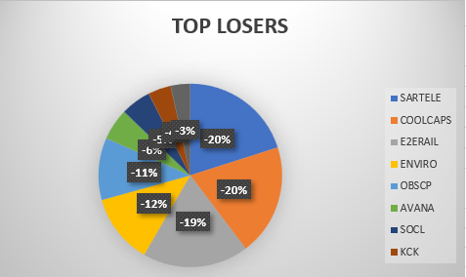
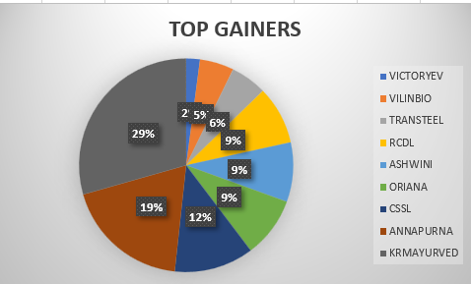
MAGSON | MAGSON RETAIL AND DIST L | 288000 | 135.74 | MAGSON | MAGSON RETAIL AND DIST L | 73000 | 134.76 | -0.98
TUNWAL | TUNWAL E-MOTORS LIMITED | 562000 | 29.01 | TUNWAL | TUNWAL E-MOTORS LIMITED | 164000 | 28.11 | -0.9
MGSL | MATRIX GEO SOLUTIONS LTD | 51600 | 84.22 | MGSL | MATRIX GEO SOLUTIONS LTD | 57600 | 83.39 | -0.83
NAMOEWASTE | NAMO EWASTE MANAGEMENT L | 133600 | 172.25 | NAMOEWASTE | NAMO EWASTE MANAGEMENT L | 142400 | 171.65 | -0.6
GICL | GLOBE INTL CARRIERS LTD | 147000 | 44.49 | GICL | GLOBE INTL CARRIERS LTD | 159000 | 43.92 | -0.57
ANYA | ANYA POLYTECH & FERTI LTD | 130000 | 21.24 | ANYA | ANYA POLYTECH & FERTI LTD | 165000 | 20.68 | -0.56
ENSER | ENSER COMMUNICATIONS LTD | 210000 | 13.16 | ENSER | ENSER COMMUNICATIONS LTD | 50000 | 12.77 | -0.39
GRAPHISAD | GRAPHISADS LIMITED | 85200 | 47.69 | GRAPHISAD | GRAPHISADS LIMITED | 103200 | 47.4 | -0.29
CELLECOR | CELLECOR GADGETS LIMITED | 369000 | 27.59 | CELLECOR | CELLECOR GADGETS LIMITED | 237000 | 27.32 | -0.27
SAHASRA | SAHASRA ELECTRONIC SOLU L | 152000 | 249.14 | SAHASRA | SAHASRA ELECTRONIC SOLU L | 125600 | 249.08 | -0.06
ISHAN | ISHAN INTERNATIONAL LTD | 192000 | 0.68 | ISHAN | ISHAN INTERNATIONAL LTD | 48000 | 0.65 | -0.03
VICTORYEV | VICTORY ELEC VEHICL INT L | 603000 | 22.07 | VICTORYEV | VICTORY ELEC VEHICL INT L | 363000 | 22.82 | 0.75
VILINBIO | VILIN BIO MED LIMITED | 116000 | 32.73 | VILINBIO | VILIN BIO MED LIMITED | 80000 | 34.59 | 1.86
TRANSTEEL | TRANSTEEL SEATING TECH L | 200000 | 144.67 | TRANSTEEL | TRANSTEEL SEATING TECH L | 100000 | 146.65 | 1.98
RCDL | RAJGOR CASTOR DERIVATI L | 66000 | 21.3 | RCDL | RAJGOR CASTOR DERIVATI L | 69000 | 24.48 | 3.18
ASHWINI | ASHWINI CONTAINER MOVER L | 106000 | 136.31 | ASHWINI | ASHWINI CONTAINER MOVER L | 162000 | 139.56 | 3.25
ORIANA | ORIANA POWER LIMITED | 60675 | 1555.21 | ORIANA | ORIANA POWER LIMITED | 51750 | 1558.51 | 3.3
CSSL | CLEAR SECURED SERVICES L | 317000 | 144.16 | CSSL | CLEAR SECURED SERVICES L | 854000 | 148.49 | 4.33
ANNAPURNA | ANNAPURNA SWADISHT LTD | 593750 | 190.32 | ANNAPURNA | ANNAPURNA SWADISHT LTD | 312750 | 197.13 | 6.81 |  | Horizontal Bar Chart
KRMAYURVED | KRM AYURVEDA LIMITED | 3156000 | 166.73 | KRMAYURVED | KRM AYURVEDA LIMITED | 393000 | 177.34 | 10.61 | STORYLINE: The chart shows stock-wise gains and losses, highlighting a mixed market with a few strong gainers and some sharp losers.

STEPS TO DO COMPARISION : |  |  |  |  |  |  |  |  | ANALYSIS: Losers vs Gainers
 |  |  |  |  |  |  |  |  | The chart compares percentage price movement of stocks on 29-Jan-2026, separating gainers (right side) and losers (left side). KRMAYURVED is the top gainer (+10.61%), indicating strong buying interest and positive market sentiment. ANNAPURNA (+6.81%) and CSSL (+4.33%) also show notable gains, reflecting moderate to strong upward momentum. Several stocks such as ORIANA, ASHWINI, RCDL, and TRANSTEEL record small but positive gains, indicating stable performance. On the losing side, SARTELE (-10.28%) and COOLCAPS (-10.05%) are the top losers, showing heavy selling pressure. E2ERAIL (-9.56%) and ENVIRO (-6.30%) further indicate negative sentiment in certain stocks. The magnitude of losses in top losers is comparable to gains of top gainers, showing high volatility in the market. .
1. Go to the Bhavcopy (NSE) website.
2. Download the Equity Bhavcopy CSV file for : 29 January 30 January

3. Select the entire data in 29_Jan_Data. Sort by: Column: Traded Quantity THEN Order: Largest to Smallest

4. Calculate Average of 5 Price Columns
5. Remove Records Below 48000 (29 Jan)
6. Remove Records Below 48000 (30 Jan) |  |  |  |  |  |  |  |  | Result :More stocks appear near the zero line, suggesting a mixed and cautious market condition
7. Keep Only Required Columns
8. Sort Both Sheets by SYMBOL
9. Create Comparison Sheet THEN Match Symbols in Both Sheet

10.Calculate Difference of Average Price
11. Sort by Difference
Finally we get the data with negative diffrence values for the loosers and positive diffrence for gainers

Positive Difference → Gainers Negative Difference → Losers

POWER BI
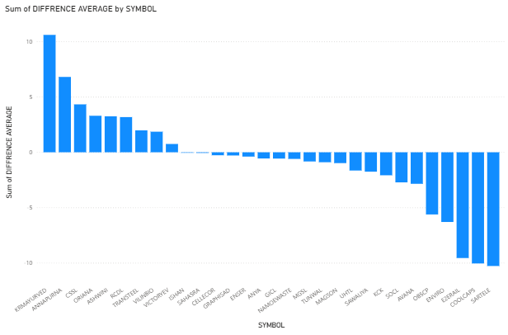
STORYLINE: The chart shows stock-wise gains and losses, indicating a mixed and volatile market. ANALYSIS (Losers vs Gainers): ANNAPURNA (+6.81%) and CSSL (+4.33%) are the top gainers, showing strong upward momentum. Stocks like ORIANA, ASHWINI, RCDL, and TRANSTEEL show small positive gains, indicating stability. SARTELE (-10.28%) and COOLCAPS (-10.05%) are the top losers, reflecting heavy selling pressure. E2ERAIL (-9.56%) and ENVIRO (-6.30%) also indicate negative sentiment. Gains and losses are of similar magnitude, highlighting high market volatility. CONCLUSION: Most stocks lie near the zero line, indicating a mixed and cautious market sentiment.

STORYLINE : The chart compares sum of average prices for stocks across 29 Jan and 30 Jan. ANALYSIS: ORANN is the highest contributor, dominating the market movement. A few stocks show moderate contribution, while most have low impact. Market performance is unevenly distributed across symbols. RESULT: Overall, market movement is driven by a small number of stocks, not the entire market.
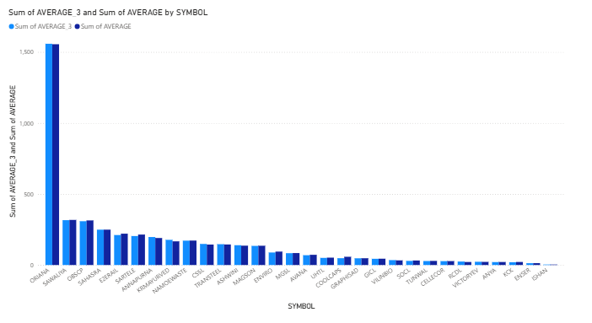

TOP LOSERS |  | TOP GAINERS
SARTELE | -10.28 | VICTORYEV | 0.75
COOLCAPS | -10.05 | VILINBIO | 1.86
E2ERAIL | -9.56 | TRANSTEEL | 1.98
ENVIRO | -6.3 | RCDL | 3.18
OBSCP | -5.62 | ASHWINI | 3.25
AVANA | -2.85 | ORIANA | 3.3
SOCL | -2.72 | CSSL | 4.33
KCK | -2.08 | ANNAPURNA | 6.81
SAWALIYA | -1.75 | KRMAYURVED | 10.61

